Sheet1
 |  | Demographic, Addresses, Transactions
 |  | Additional data

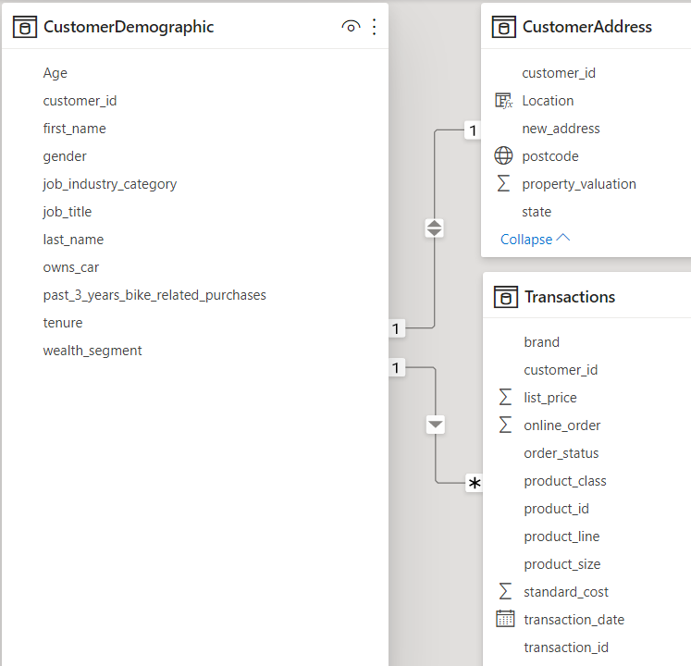

Phase 1: | Exploration | Data Gathering | Data Cleaning | Data Transformation | Feature Engineering | Feature Extraction | Data Exploration
 |  |  | (replace/ remove missing data, noises, inconsistencies, remove duplicates, filter outliers, etc.) | ( Pivot, normalization, discretization/ binning, aggregation) | ( Age, rolling average, monthly/ yearly/ quarterly sales, active customers, new customers, etc.) | ( Dimension reduction - PCA, Feature Selection) | ( Stats, Correlations, Distribution, Clutering, etc.)

Phase 2: | Model Development | Preprocessing | PyCaret Highlevel test | Models training and testing | Models Evaluation & Comparison | Best Model Selection & Tuning | Deploy and Serve Model (Optional)
 |  | (Feature scaling, get_dummies) | (Classification, Logistic Regression) | (Train-test split) | (K-fold cross validation, Confusion matrix, accuracy, recall, precision, F1 score, AUC/ROC) | (Gridsearch tuning)

Phase 3: | Interpretation | Results Evaluation on New Customer set | Dashboard Visualizations
 |  |  | (Power BI)

 |  |  | Report

